Лист1
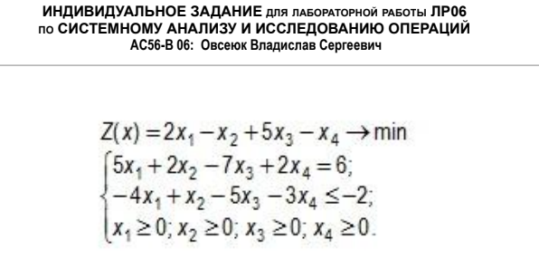
Z(x) = 2x1 - x2 + 5x3 - x4 -> min |  |  |  | Z(x) = 2x1 - x2 + 5x3 - x4 -> min |  |  |  | W(x) = w1 + w2 -> min
5x1 + 2x2 - 7x3 + 2x4 = 6 |  |  |  | 5x1 + 2x2 - 7x3 + 2x4 = 6 |  |  |  | 5x1 + 2x2 - 7x3 + 2x4 + w1= 6
- 4x1 + x2 - 5x3 - 3x4 <= -2 |  |  |  | 4x1 - x2 + 5x3 + 3x4 >= 2 |  |  |  | 4x1 - x2 + 5x3 + 3x4 - x5 + w2 = 2
xi >= 0, I = 1,4 |  |  |  | xi >= 0, I = 1,4 |  |  |  | xi >= 0, I = 1,5

W(x) = w1 + w2 -> min |  |  |  | W(x) = 8 - 9x1 - x2 + 2x3 - 5x4 + x5 -> min
w1 = 6 - 5x1 - 2x2 + 7x3 - 2x4 |  |  |  | w1 = 6 - 5x1 - 2x2 + 7x3 - 2x4
w2 = 2 - 4x1 + x2 - 5x3 - 3x4 + x5 |  |  |  | w2 = 2 - 4x1 + x2 - 5x3 - 3x4 + x5
xi >= 0, I = 1,5 |  |  |  | xi >= 0, I = 1,5

План х(1) = (0, 0, 0, 0, 0, 6, 2) - не оптимален |  |  |  |  | W(x(1)) = 8
1 всп |  | х1 | х2 | х3 | х4 | x5 | Q
W | 8 | -9 | -1 | 2 | -5 | 1
w1 | 6 | -5 | -2 | 7 | -2 | 0 | 1.2
w2 | 2 | -4 | 1 | -5 | -3 | 1 | 0.5

План х(2) = (0.5, 0, 0, 0, 0, 3.5, -) - не оптимален |  |  |  |  | W(x(2)) = 3,5
2 всп |  | w2 | х2 | х3 | х4 | x5 | Q
W | 3.5 |  | -3.25 | 13.25 | 1.75 | -1.25
w1 | 3.5 |  | -3.25 | 13.25 | 1.75 | -1.25 | 1.0769230769
x1 | 0.5 |  | 0.25 | -1.25 | -0.75 | 0.25 | inf

План х(3) = (0.8, 1.08, 0, 0, 0, -, -) - оптимален |  |  |  |  | W(x(3)) = 0
3 всп |  | w2 | w1 | x3 | х4 | x5
W | 0 |  |  | 0 | 0 | 0
x2 | 1.0769230769 |  |  | 4.0769230769 | 0.53846153846 | -0.38461538462
x1 | 0.76923076923 |  |  | -0.23076923077 | -0.61538461538 | 0.15384615385

система |  | x3 | x4 | x5
x1 | 0.76923076923 | -0.23076923077 | -0.61538461538 | 0.15384615385
x2 | 1.0769230769 | 4.0769230769 | 0.53846153846 | -0.38461538462
коэф ЦФ |  | 5 | -1 | 0
2 | 1.5384615385 | -0.46153846154 | -1.2307692308 | 0.30769230769
-1 | -1.0769230769 | -4.0769230769 | -0.53846153846 | 0.38461538462
Z new | 0.46153846154 | 0.46153846154 | -2.7692307692 | 0.69230769231

План х(4) = (0.77, 1.08, 0, 0, 0) - не оптимален |  |  |  |  | Z(x(4)) = 0,46
4 всп |  | x3 | x4 | x5 | Q
Z | 0.46153846154 | 0.46153846154 | -2.7692307692 | 0.69230769231
x1 | 0.76923076923 | -0.23076923077 | -0.61538461538 | 0.15384615385 | 1.25
x2 | 1.0769230769 | 4.0769230769 | 0.53846153846 | -0.38461538462 | inf

План х(5) = (0, 1.75, 0, 1.25, 0) - оптимален |  |  |  |  | Z(x(5)) = -3
5 всп |  | x3 | x1 | x5
Z | -3.00 | 1.50 | 4.50 | 0.00
x4 | 1.25 | -0.38 | -1.63 | 0.25
x2 | 1.75 | 3.87 | -0.87 | -0.25

